Intro
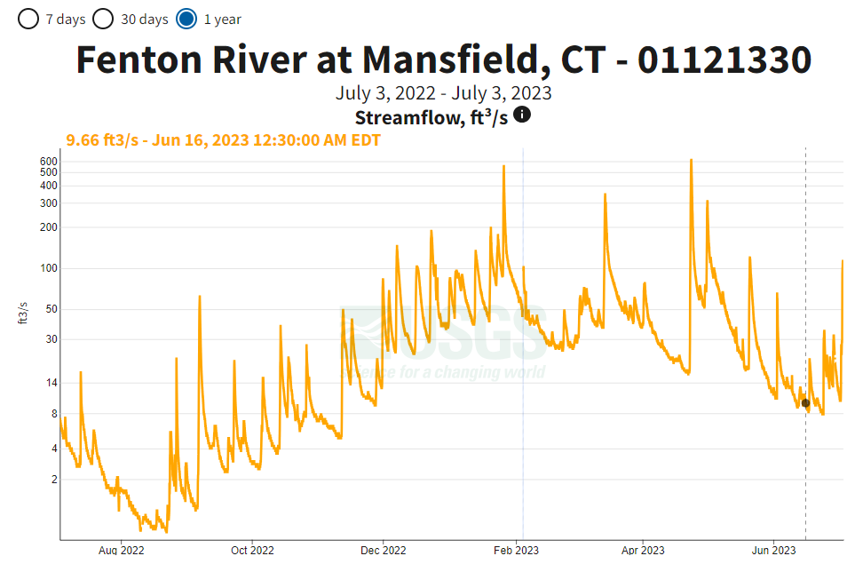
Exercise Overview: | Cross Sectional Area of the Stream - Mutliple Trapezoids:
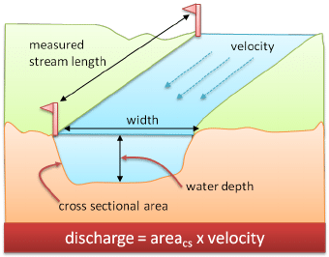
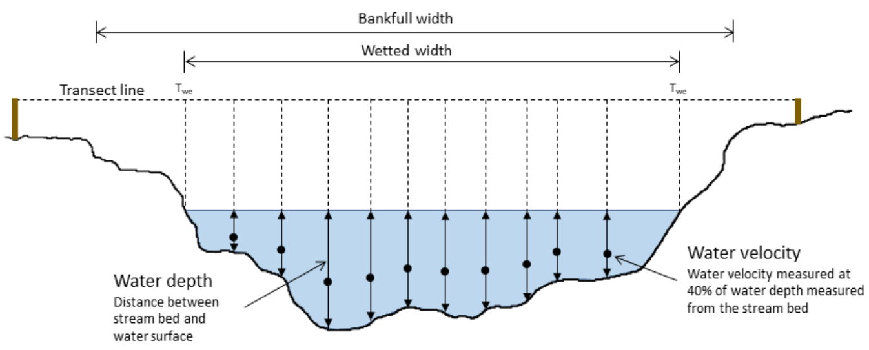

h
h

Area of a Trapezoid:
A = (b₁ + b₂)/2 * h
Area of a Triangle:
A = (b * h)/2
b₁
b₂
b

https://www.researchgate.net/figure/River-discharge-measurement_fig2_229031590 | https://www.researchgate.net/figure/8-A-typical-stream-channel-cross-section-The-transect-line-shows-the-location-of-the_fig12_324706703

USGS Discharge Data:

https://waterdata.usgs.gov/monitoring-location/01121330/#parameterCode=00060&period=P7D

Diagrams
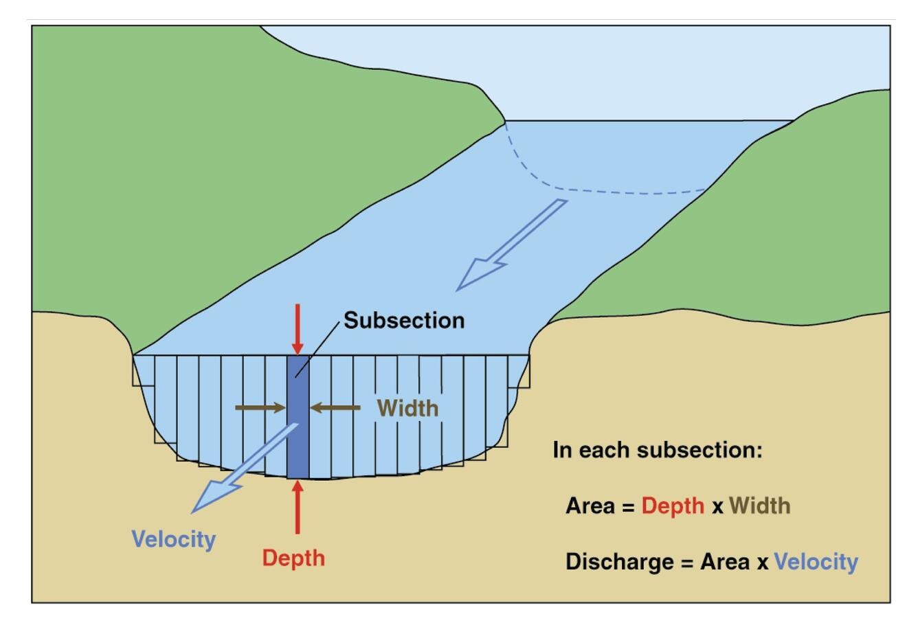
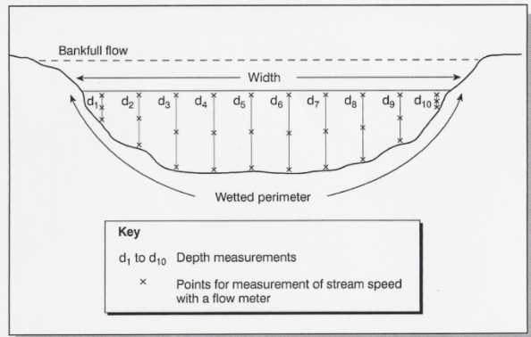

https://www.usgs.gov/special-topics/water-science-school/science/how-streamflow-measured | https://www.jkgeography.com/how-rivers-change-from-source-to-mouth.html
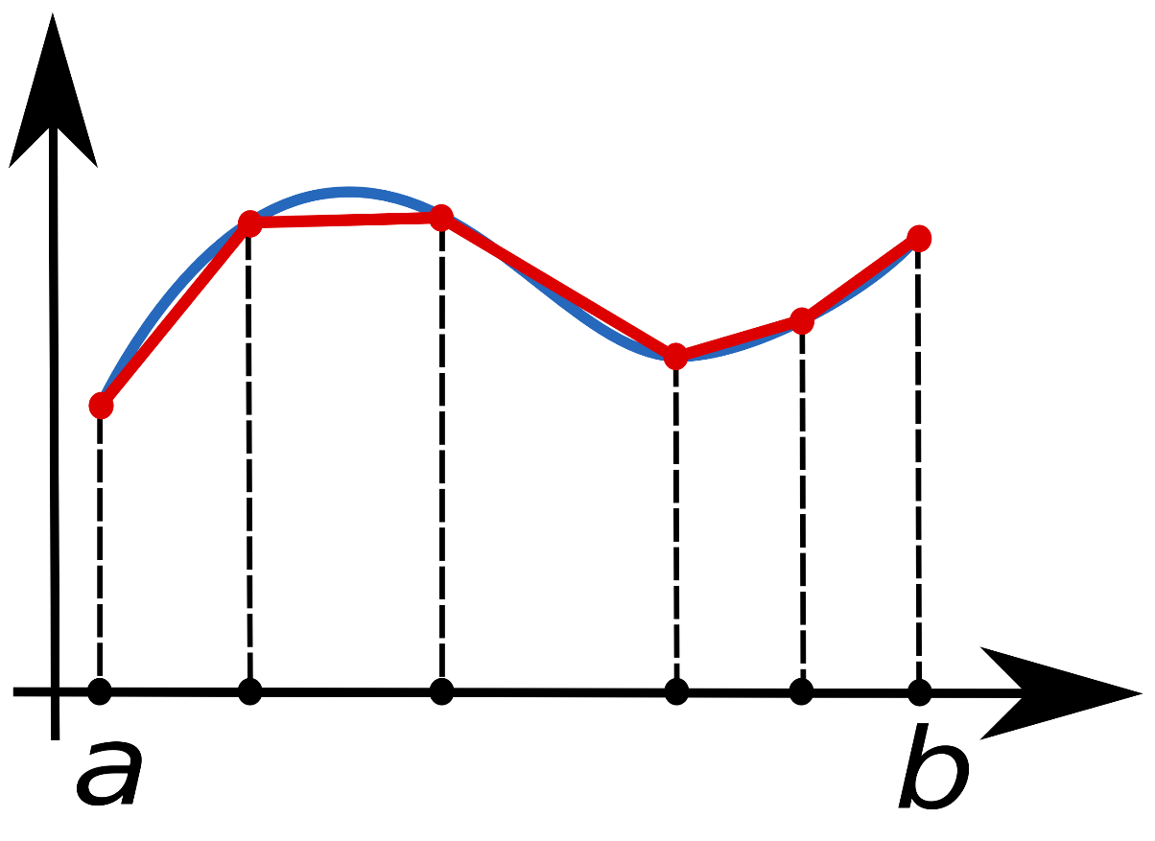

https://www.researchgate.net/figure/8-A-typical-stream-channel-cross-section-The-transect-line-shows-the-location-of-the_fig12_324706703

 |  | https://commons.wikimedia.org/wiki/File:Composite_trapezoidal_rule_illustration.png

https://www.researchgate.net/figure/River-discharge-measurement_fig2_229031590

